Caveat and Disclaimer
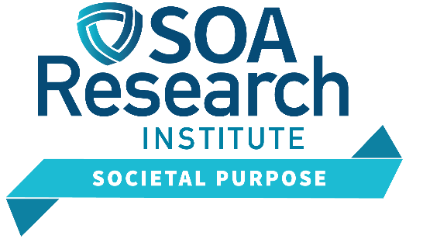

Caveat and Disclaimer
The opinions expressed and conclusions reached by the authors are their own and do not represent any official position or opinion of the Society of Actuaries Research Institute, Society of Actuaries, or its members. The Society of Actuaries Research Institute makes no representation or warranty to the accuracy of the information.

Copyright © 2024 by the Society of Actuaries Research Institute. All rights reserved.

